Sheet1
Project Name: | Budget Wise App
Document Name: | Bug Report
Reference Doucment: | Test Case Document
Prepared by: | Hemprasath K
Reviewed by: | NA
Reported On | 13.7.2026

Defect_ID | Bug Title | Module Name | Report By | Precondition | Steps to reproduce | Test Data | Expected Result | Actual Result | Severity | Priority | Evidence
DefectID_01 | Signup does not display an error message when username and email are the same. | Signup and Login | Hemprasath K | User is on the signup page | 1.Open the browser and enter the signup page URL.http://localhost:8080. 2.Enter hemprasathk@gmail.com in the Username field. 3.Enter hemprasathk@gmail.com in the Email field. 4.Enter a valid password. 5.Select the Terms and Conditions checkbox. 6.Click the Signup button. 7.Observe the result. | Username:hemprasathk@gmail.com Email:hemprasath@gmail.com | Error message should be displayed when username and Email are same Data | Uer signup successfully and user login page displayed | medium | P1 | 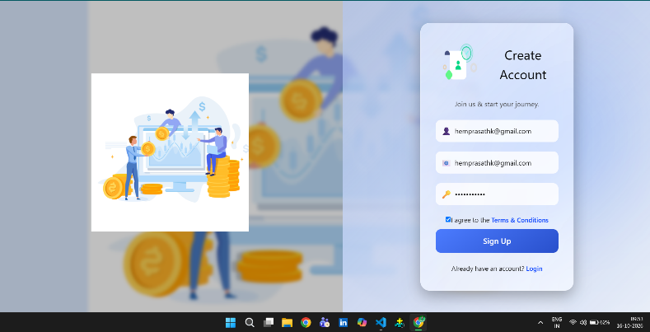
DefectID_02 | success message shoule be shown after signup. | Signup and Login | Hemprasath K | User is on the signup page | 1.Open the browser and enter the signup page URL.http://localhost:8080. 2.Enter hemprasath in the Username field. 3.Enter hemprasathk@gmail.com in the Email field. 4.Enter a valid password. 5.Select the Terms and Conditions checkbox. 6.Click the Signup button. 7.Observe the result. | Username:hemprasath Email:hemprasathk@gmail.com | Signup success message should be displayed | Login page displayed without signup success message. | Low | P3 | 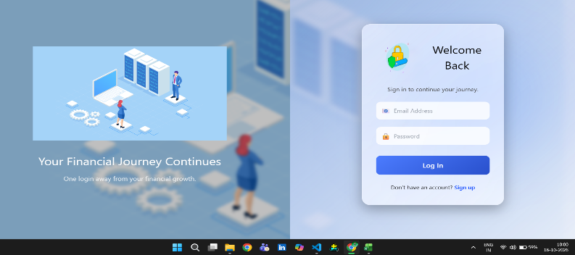
DefectID_03 | Remaining budget is not displayed correctly. | Dashboard Module | Hemprasath K | User is logged in and budget and expense data are available | 1.Open the browser and enter the signup page URL.http://localhost:8080. 2.Enter Valid login credentials. 3.Open the Dashboard. 4.Check the Remaining Budget card. 5.observe the result | Budget amount and Expense amount | Remaining budget should display the correct amount based on total budget and monthly spend. | Remaining budget was not displayed | High | P1 | 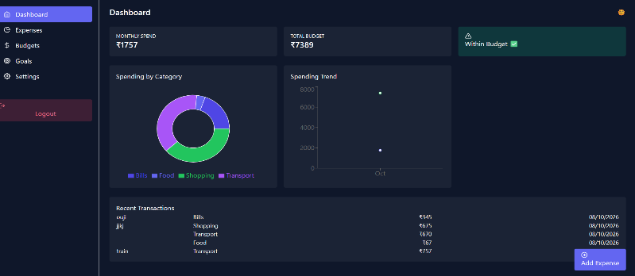
DefectID_04 | Dashboard is not shows the Total monthly spending for all the month. | Dashboard Module | Hemprasath K | User is logged in and budget and expense data are available | 1.Open the browser and enter the signup page URL.http://localhost:8080. 2.Enter Valid login credentials. 3.Open the Dashboard. 4.Check the Remaining Budget card. 5.observe the result | Monthly Budget amount and Expense amount | Dashboard should display Total Monthly spending correct amount belonging to the logged-in user. | Dashboard displayed only current month spending amount in monthly spendings | High | P1 | 
DefectID_05 | In expense details categories list is not displayed | Expense Module | Hemprasath K | User is logged inexpense data are available | 1.Open the browser and enter the signup page URL.http://localhost:8080. 2.Enter Valid login credentials. 3.Open the Expense option 4.Enter the all the Valid Details 5.Check the Category List . 6.observe the result | Account, Amount, Date, Category, Description | Expense details should be displayed correctly according to the entered data. | Expense details category names not displayed according to the entered data. | High | P1 | 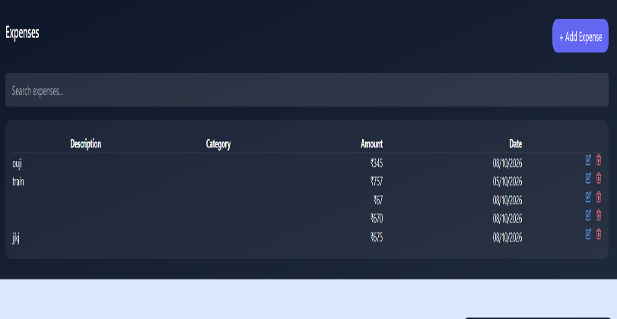
DefectID_06 | User change the language,But it not supported. | Setting Module | Hemprasath K | User is on the settings page | 1.Open the browser and enter the signup page URL.http://localhost:8080. 2.Open the language dropdown or selector. 3. Select another supported language. 4. Save/apply the change if required. 5.observe the result | Select another available language | The selected supported language should be saved/applied successfully. | Selected supported language was not changed successfully. | Medium | P1 | 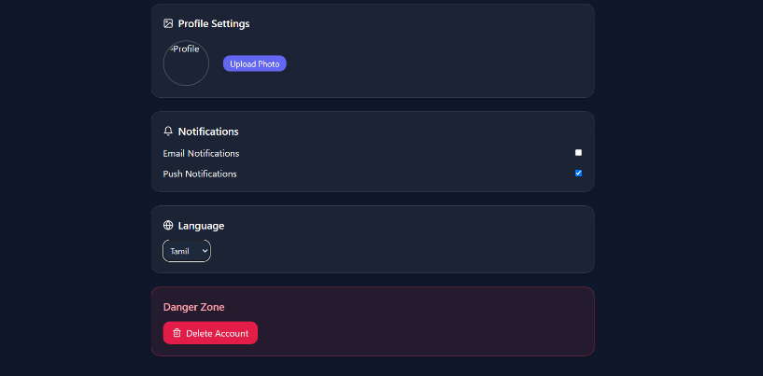

 | 0

